1-1IBIAS
Offset Measured=V2-V1 (mV) | Voltage Measured @ input （mV） | Voltage Measured @ output (mV) | IIN Calculated (uA) | IOUT Calculated (uA) | 1:1 Ideal Line
3.935 | 50.7 | 48.3 | 107.87 | 111.14 | 107.87
Rmeasure (Ohm) | 101.4 | 98.1 | 215.74 | 217.10 | 215.74
470 | 152.3 | 149.7 | 324.04 | 326.88 | 324.04
 | 201.5 | 199.2 | 428.72 | 432.20 | 428.72
 | 253.9 | 251.5 | 540.21 | 543.48 | 540.21
Notes: | 301.5 | 299.2 | 641.49 | 644.97 | 641.49
Unplug the wire @ Pin 19 could solve power issue. | 350.4 | 345.7 | 745.53 | 743.90 | 745.53
 | 401.5 | 396 | 854.26 | 850.93 | 854.26
 | 504.7 | 500.7 | 1073.83 | 1073.69 | 1073.83
BLUE are data measured | 607 | 600.6 | 1291.49 | 1286.24 | 1291.49
 | 691.9 | 681.7 | 1472.13 | 1458.80 | 1472.13

 |  |  |  | Calibration:
 |  |  | Iout=Vmeasure/Rmeasure | Iout=(Vmeasure+Voffset)/Rmeasure

1:1 Current Mirror IOUT-IIN (Rmeasure=470Ω)

 | Voltage Measured @ input （mV） | Voltage Measured @ output (mV) | IIN Calculated (uA) | IOUT Calculated (uA) | 1:1 Ideal Line
Offset Measured=V2-V1 (mV) | 40.15 | 387.2 | 85.43 | 84.16 | 85.43
8.335 | 50.15 | 485.6 | 106.70 | 105.09 | 106.70
Rmeasure @ output (Ohm) | 60.3 | 585.8 | 128.30 | 126.41 | 128.30
4700 | 70.62 | 684 | 150.26 | 147.31 | 150.26
Rmeasure @ input (Ohm) | 79.98 | 776 | 170.17 | 166.88 | 170.17
470 | 90.77 | 878.3 | 193.13 | 188.65 | 193.13
Notes: | 100.6 | 972.4 | 214.04 | 208.67 | 214.04
Unplug the wire @ Pin 19 could solve power issue. | 108.6 | 1046 | 231.06 | 224.33 | 231.06
 | 121.1 | 1165 | 257.66 | 249.65 | 257.66
 | 132.2 | 1268 | 281.28 | 271.56 | 281.28
 | 142 | 1355 | 302.13 | 290.07 | 302.13
 | 155.6 | 1478 | 331.06 | 316.24 | 331.06
 | 166.6 | 1559 | 354.47 | 333.48 | 354.47
 | 173 | 1625 | 368.09 | 347.52 | 368.09
 | 200 | 1855 | 425.53 | 396.45 | 425.53
 | 215.8 | 1964 | 459.15 | 419.65 | 459.15
 | 237.5 | 2079 | 505.32 | 444.11 | 505.32
 | 260 | 2154 | 553.19 | 460.07 | 553.19
 | 273 | 2181 | 580.85 | 465.82 | 580.85
 | 299.9 | 2218 | 638.09 | 473.69 | 638.09
 | 355.5 | 2262 | 756.38 | 483.05 | 756.38
 | 426.9 | 2295 | 908.30 | 490.07 | 908.30
 | 501.5 | 2317 | 1067.02 | 494.75 | 1067.02
 | 625 | 2341 | 1329.79 | 499.86 | 1329.79

1:1 Current Mirror IOUT-IIN (Rmeasure=4.7kΩ)

1-1VDS200uA
Resistance Used to Measure the Current /Ohm | VDS @ Pin 20 /V | △V @ Resistor, Pin 20 /V | Iout (IREF=200uA) @ Pin 20 | IREF=200uA @ Pin 19
440 | 0.103158 | 0.0365021 | 101.14 | 200
IBIAS Measured @ Pin19 /uA | 0.201555 | 0.0603078 | 155.25 | 200
94mV/470 Ohms | 0.304713 | 0.069243 | 175.55 | 200
200 | 0.352324 | 0.0730041 | 184.10 | 200
VGS=VDS @Pin 19 /V | 0.40311 | 0.0745912 | 187.71 | 200
0.98 | 0.501507 | 0.0761782 | 191.31 | 200
DC output Impedance Rout Calculation (Saturation Region) | 0.603078 | 0.0777653 | 194.92 | 200
76k | 0.704649 | 0.0793523 | 198.53 | 200
 | 0.904616 | 0.0809394 | 202.14 | 200
Offset between 2 channels (mV) | 1.10141 | 0.0825264 | 205.74 | 200
8 | 1.30138 | 0.0841135 | 209.35 | 200
 | 1.50135 | 0.0857005 | 212.96 | 200
Notes: You must manually measure the resistor value to make sure its exact value since the resistance has around 10% error. | 1.70131 | 0.0872875 | 216.56 | 200
Offset may influence your measurement but not much, resistance matters more | 1.90128 | 0.0888746 | 220.17 | 200
 | 2.10442 | 0.0904616 | 223.78 | 200
 | 2.30757 | 0.0936357 | 230.99 | 200
 | 2.4012 | 0.0952228 | 234.60 | 200

IOUT-VDS for 1:1 Current Mirror

1-1VDSX4
IOUT-VDS for 1:1 Current Mirror
Resistance Used to Measure the Current /Ohm | VDS @ Pin 20 /V | △V @ Resistor, Pin 20 /V | Iout (IREF=135uA) @ Pin 20 /uA | IREF=135uA @ Pin 19
440 | 0.101019 | 0.0264968 | 80.67 | 135
IBIAS Measured @ Pin19 /uA | 0.200382 | 0.0380891 | 107.02 | 135
63mV/470 Ohms | 0.303057 | 0.0430573 | 118.31 | 135
135 | 0.400764 | 0.0447133 | 122.08 | 135
VGS=VDS @Pin 19 /V | 0.601146 | 0.0463694 | 125.84 | 135
0.81 | 0.902546 | 0.0496815 | 133.37 | 135
DC output Impedance Rout Calculation (Saturation Region) | 1.10127 | 0.0513375 | 137.13 | 135
106k | 1.50038 | 0.0529935 | 140.89 | 135
 | 1.90114 | 0.0546496 | 144.66 | 135
Offset between 2 channels (mV) | 2.30025 | 0.0563056 | 148.42 | 135
9

Notes: You must manually measure the resistor value to make sure its exact value since the resistance has around 10% error.
Offset may influence your measurement but not much, resistance matters more

 |  |  |  |  | s

 | VDS @ Pin 20 /V | △V @ Resistor, Pin 20 /V | Iout (IREF=542uA) @ Pin 20 /uA | IREF=542uA @ Pin 19
 | 0.100853 | 0.0712929 | 162.03 | 542
Resistance Used to Measure the Current /Ohm | 0.203446 | 0.13563 | 308.25 | 542
440 | 0.306038 | 0.177363 | 403.10 | 542
IBIAS Measured @ Pin19 /uA | 0.403413 | 0.203446 | 462.38 | 542
255mV/470 Ohms | 0.500789 | 0.217356 | 493.99 | 542
542 | 0.60512 | 0.222573 | 505.85 | 542
VGS=VDS @Pin 19 /V | 0.700757 | 0.226051 | 513.75 | 542
1.248 | 0.803349 | 0.227789 | 517.70 | 542
DC output Impedance Rout Calculation (Saturation Region) | 0.902464 | 0.229528 | 521.65 | 542
31k | 1.00506 | 0.234745 | 533.51 | 542
 | 1.10243 | 0.234745 | 533.51 | 542
 | 1.20502 | 0.236484 | 537.46 | 542
 | 1.3024 | 0.238223 | 541.42 | 542
 | 1.40325 | 0.239961 | 545.37 | 542
 | 1.50063 | 0.239961 | 545.37 | 542
 | 1.60496 | 0.2417 | 549.32 | 542
 | 1.70407 | 0.2417 | 549.32 | 542
 | 1.80319 | 0.243439 | 553.27 | 542
 | 1.9023 | 0.243439 | 553.27 | 542
 | 2.00663 | 0.245178 | 557.22 | 542
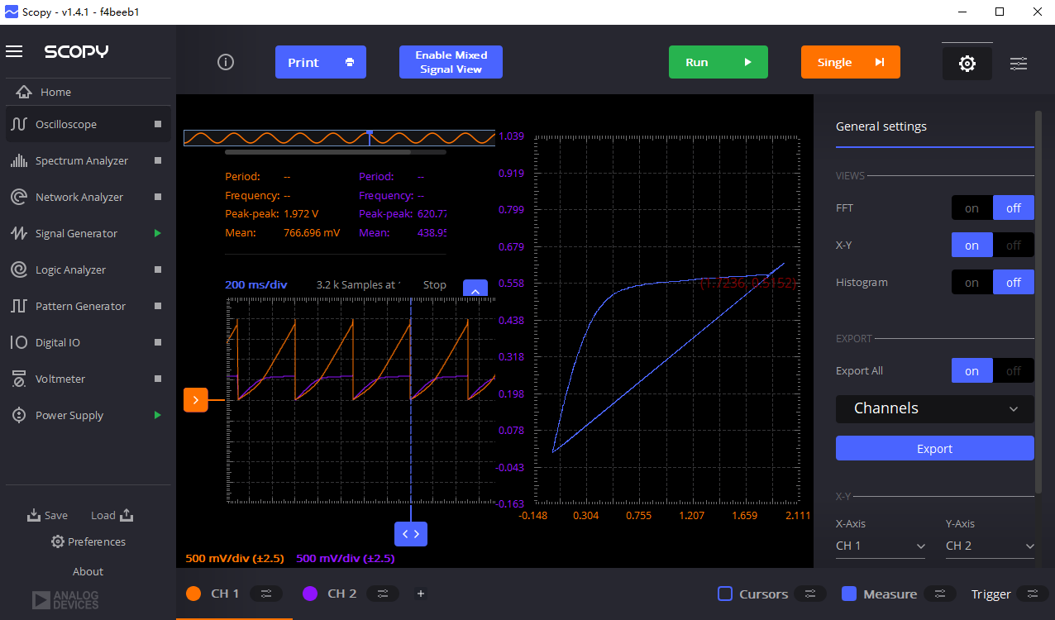
 | 2.10227 | 0.245178 | 557.22 | 542
 | 2.2066 | 0.246917 | 561.18 | 542

 |  |  | After Calibrated

1-1VDSX4_V2
Resistance Used to Measure the Current /Ohm | VDS @ Pin 20 /V | △V @ Resistor, Pin 20 /V | Iout (IREF=200uA) @ Pin 20 /uA | IREF=200uA @ Pin 19
470 | 0.103158 | 0.0365021 | 107.45 | 200
IBIAS Measured @ Pin19 /uA | 0.201555 | 0.0603078 | 158.10 | 200
IOUT-VDS for 1:1 Current Mirror
200 | 0.304713 | 0.069243 | 177.11 | 200
 | 0.352324 | 0.0730041 | 185.12 | 200
VGS=VDS @Pin 19 /V | 0.40311 | 0.0745912 | 188.49 | 200
0.81 | 0.501507 | 0.0761782 | 191.87 | 200
DC output Impedance Rout Calculation (Saturation Region) | 0.603078 | 0.0777653 | 195.25 | 200
106k | 0.704649 | 0.0793523 | 198.62 | 200
 | 0.904616 | 0.0809394 | 202.00 | 200
Offset between 2 channels (mV) | 1.10141 | 0.0825264 | 205.38 | 200
14 | 1.30138 | 0.0841135 | 208.75 | 200
 | 1.50135 | 0.0857005 | 212.13 | 200
 | 1.70131 | 0.0872875 | 215.51 | 200
 | 1.90128 | 0.0888746 | 218.88 | 200
 | 2.10442 | 0.0904616 | 222.26 | 200
 | 2.30757 | 0.0936357 | 229.01 | 200
 | 2.4012 | 0.0952228 | 232.39 | 200
Notes: You must manually measure the resistor value to make sure its exact value since the resistance has around 10% error.
Offset may influence your measurement but not much, resistance matters more

 | VDS @ Pin 20 /V | △V @ Resistor, Pin 20 /V | Iout (IREF=800uA) @ Pin 20 /uA | IREF=800uA @ Pin 19
 | 0.103158 | 0.0904616 | 203.11 | 800
Resistance Used to Measure the Current /Ohm | 0.203142 | 0.177749 | 388.83 | 800
470 | 0.301539 | 0.242818 | 527.27 | 800
IBIAS Measured @ Pin19 /uA | 0.401523 | 0.292017 | 631.95 | 800
800 | 0.501507 | 0.323757 | 699.48 | 800
 | 0.606252 | 0.344389 | 743.38 | 800
VGS=VDS @Pin 19 /V | 0.701474 | 0.352324 | 760.26 | 800
1.248 | 0.804632 | 0.36026 | 777.15 | 800
DC output Impedance Rout Calculation (Saturation Region) | 0.903029 | 0.361847 | 780.53 | 800
31k | 1.00301 | 0.366608 | 790.66 | 800
 | 1.103 | 0.369782 | 797.41 | 800
 | 1.30138 | 0.374543 | 807.54 | 800
 | 1.50293 | 0.377717 | 814.29 | 800
 | 1.7029 | 0.380891 | 821.04 | 800
 | 1.90604 | 0.385652 | 831.17 | 800
 | 2.01079 | 0.388065 | 836.31 | 800

IOUT-VDS for 1:1 Current Mirror
 | Iout (IREF=135uA) @ Pin 20 /uA |  | IREF=135uA @ Pin 19 |  | Iout (IREF=542uA) @ Pin 20 /uA |  | IREF=542uA @ Pin 19
0.101019 | 80.67 | 0.101019 | 135 | 0.100853 | 162.03 | 0.100853 | 542
0.200382 | 107.02 | 0.200382 | 135 | 0.203446 | 308.25 | 0.203446 | 542
0.303057 | 118.31 | 0.303057 | 135 | 0.306038 | 403.10 | 0.306038 | 542
0.400764 | 122.08 | 0.400764 | 135 | 0.403413 | 462.38 | 0.403413 | 542
0.601146 | 125.84 | 0.601146 | 135 | 0.500789 | 493.99 | 0.500789 | 542
0.902546 | 133.37 | 0.902546 | 135 | 0.60512 | 505.85 | 0.60512 | 542
1.10127 | 137.13 | 1.10127 | 135 | 0.700757 | 513.75 | 0.700757 | 542
1.50038 | 140.89 | 1.50038 | 135 | 0.803349 | 517.70 | 0.803349 | 542
1.90114 | 144.66 | 1.90114 | 135 | 0.902464 | 521.65 | 0.902464 | 542
2.30025 | 148.42 | 2.30025 | 135 | 1.00506 | 533.51 | 1.00506 | 542
 |  |  |  | 1.10243 | 533.51 | 1.10243 | 542
 |  |  |  | 1.20502 | 537.46 | 1.20502 | 542
 |  |  |  | 1.3024 | 541.42 | 1.3024 | 542
 |  |  |  | 1.40325 | 545.37 | 1.40325 | 542
 |  |  |  | 1.50063 | 545.37 | 1.50063 | 542
 |  |  |  | 1.60496 | 549.32 | 1.60496 | 542
 |  |  |  | 1.70407 | 549.32 | 1.70407 | 542
 |  |  |  | 1.80319 | 553.27 | 1.80319 | 542
 |  |  |  | 1.9023 | 553.27 | 1.9023 | 542
 |  |  |  | 2.00663 | 557.22 | 2.00663 | 542
 |  |  |  | 2.10227 | 557.22 | 2.10227 | 542
 |  |  |  | 2.2066 | 561.18 | 2.2066 | 542

1-XCurrent
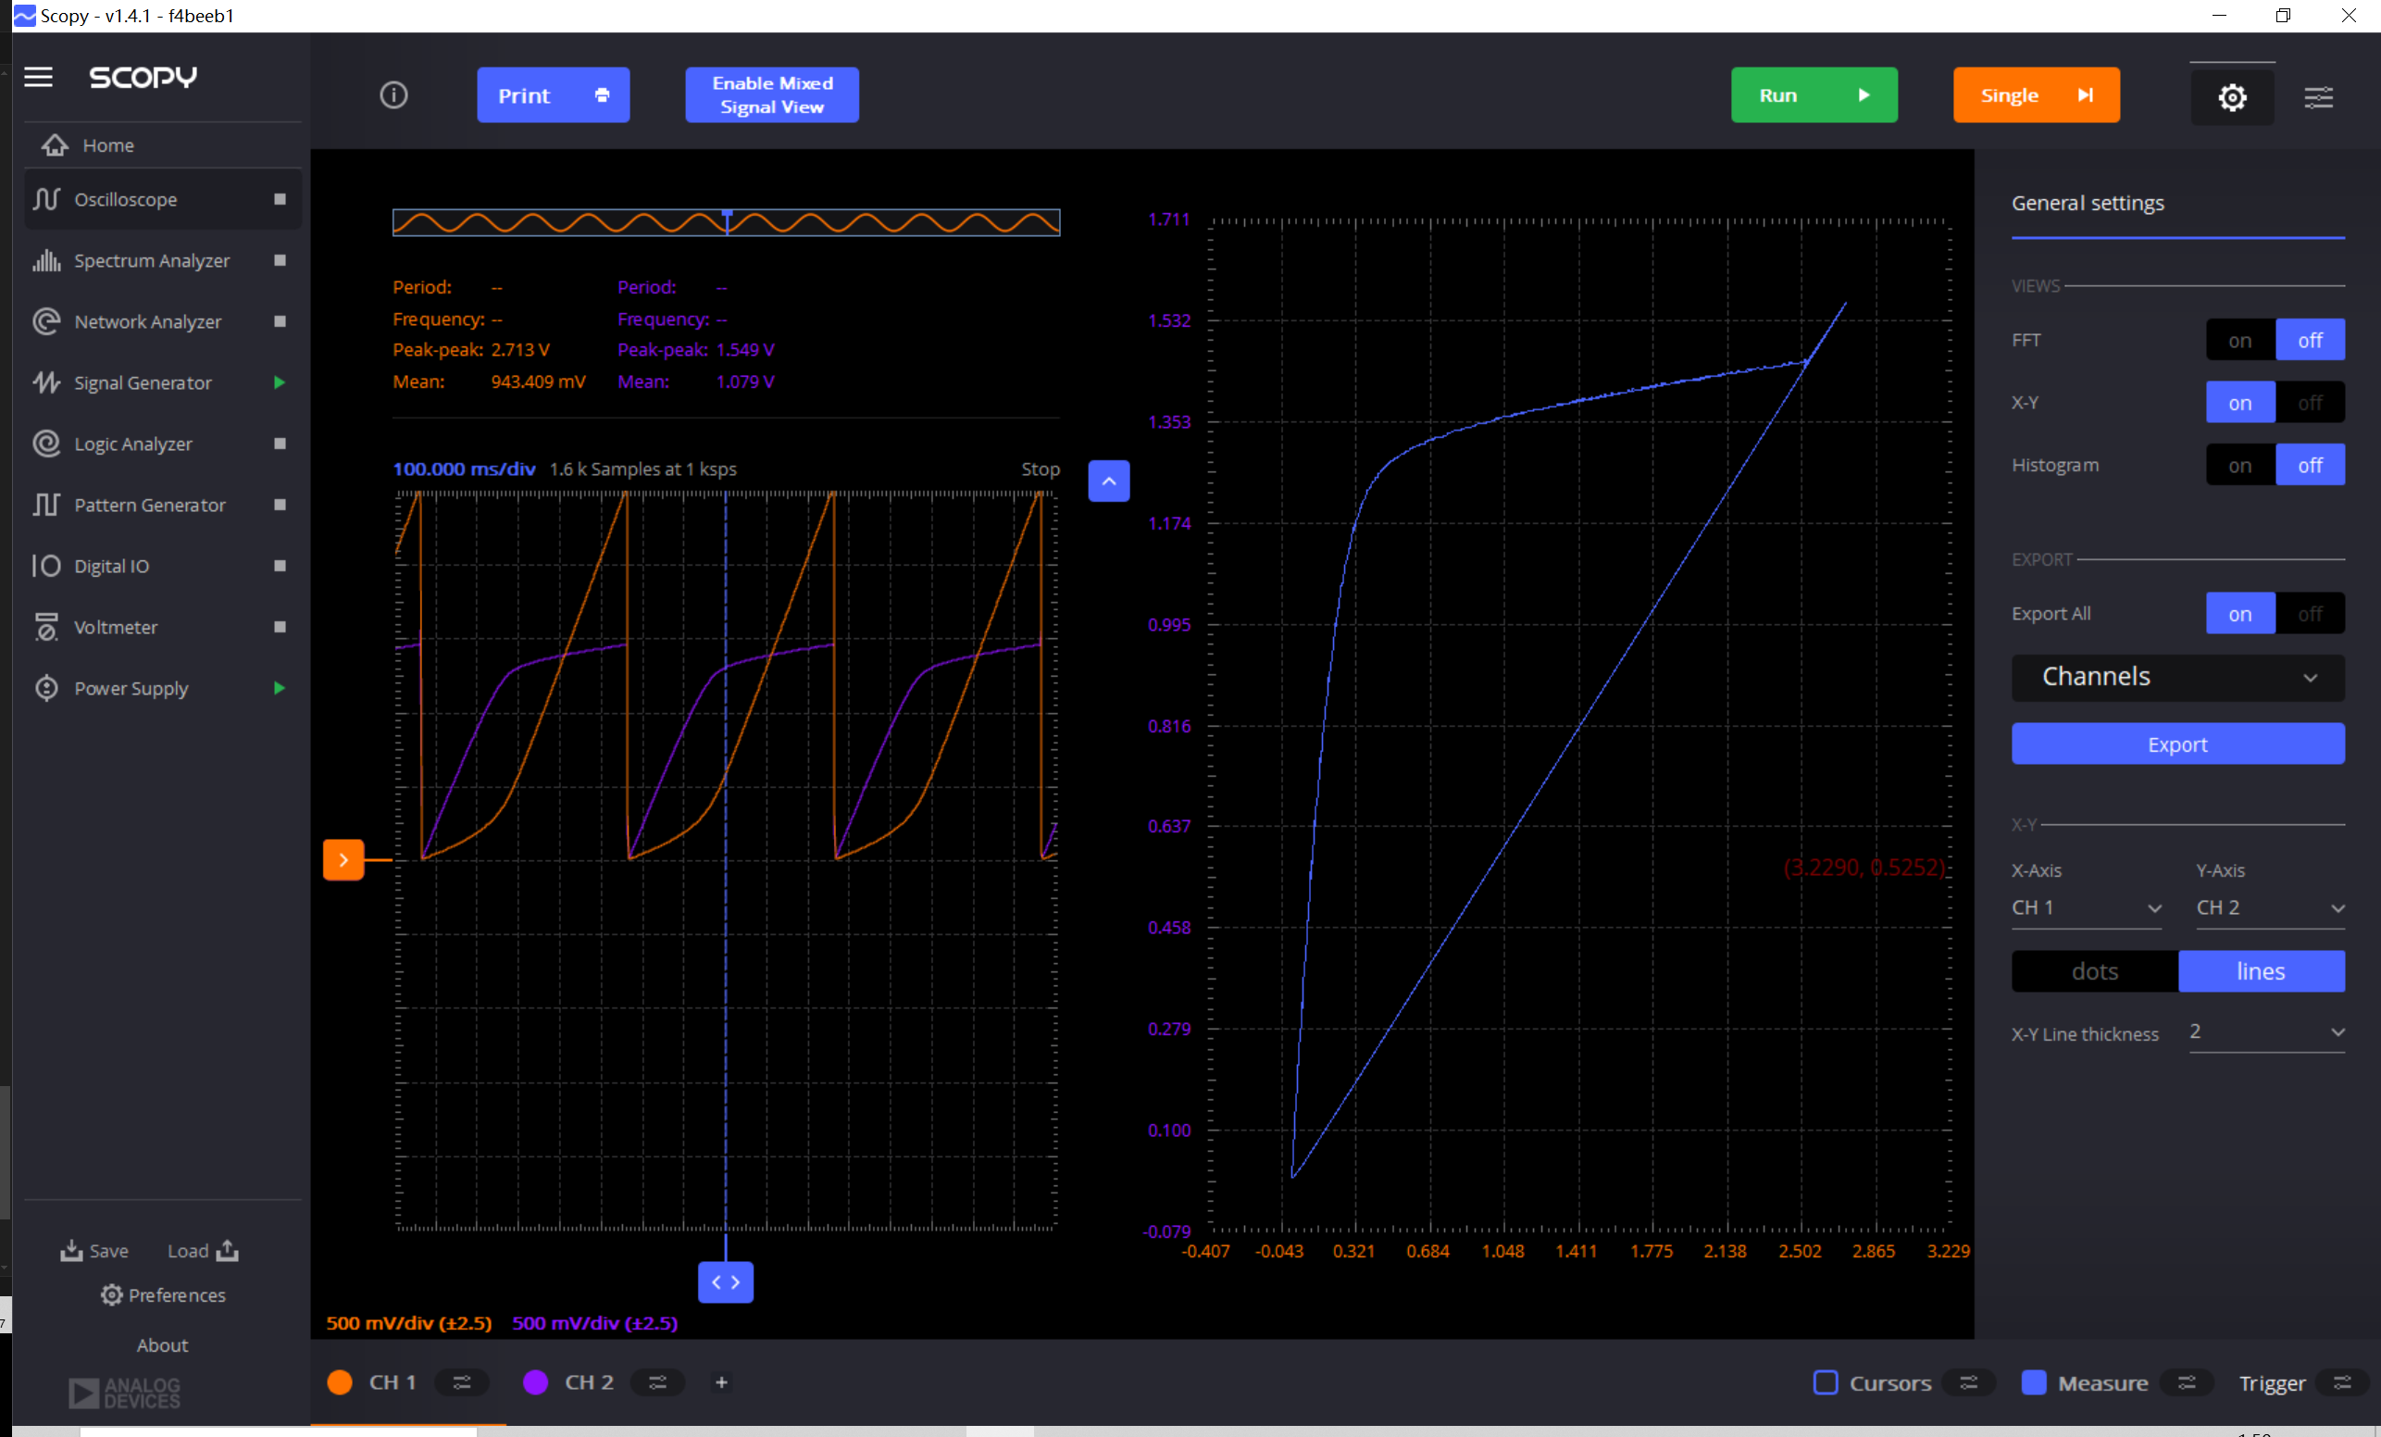
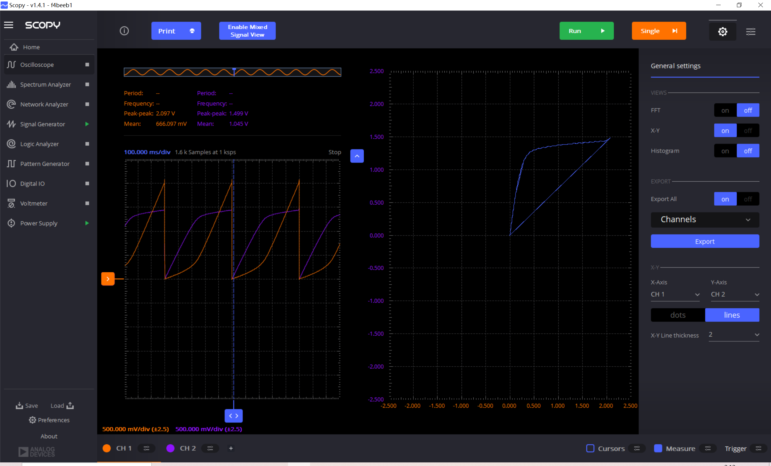
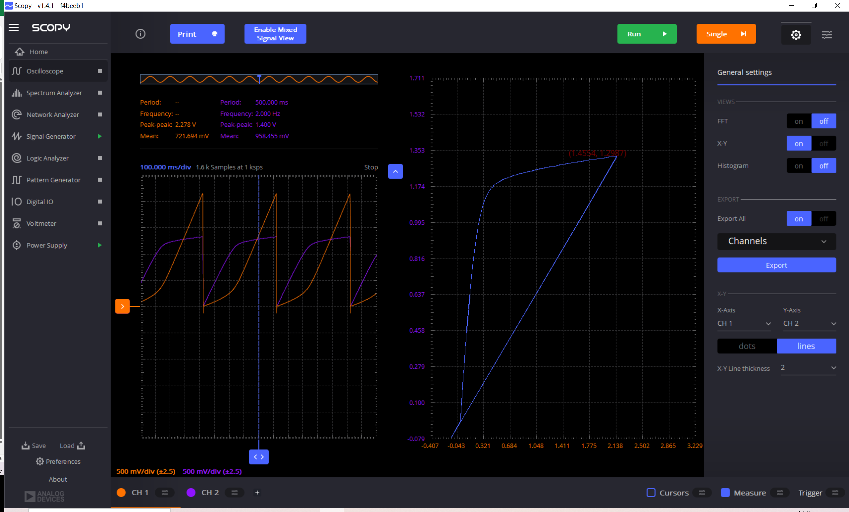
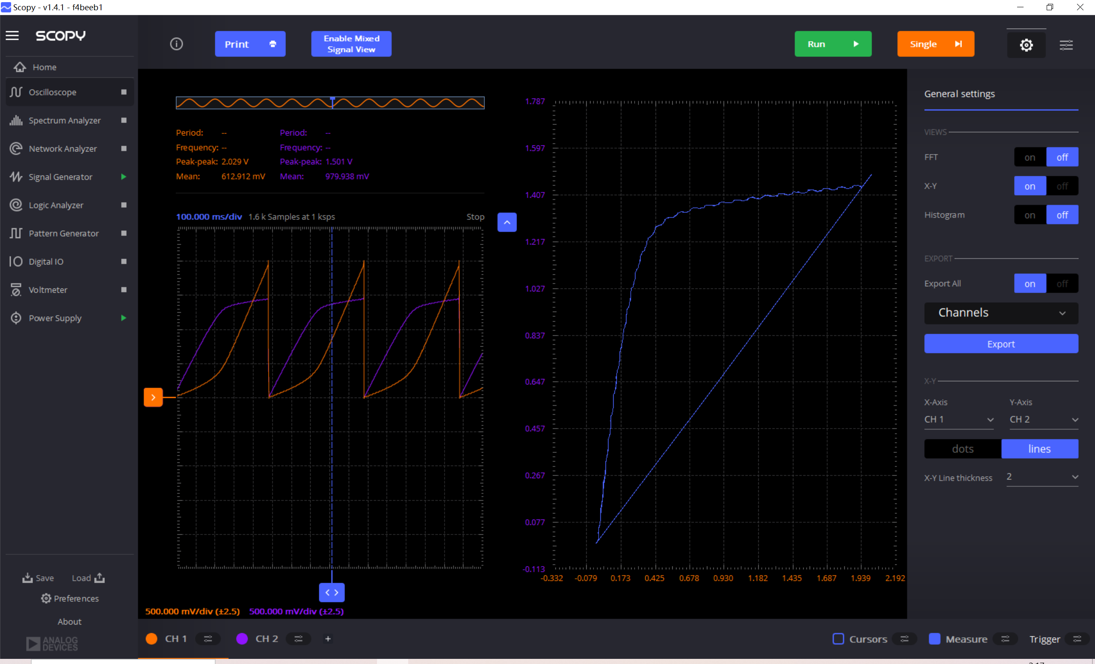
Resistance Used to Measure the Current /Ohm | VDS @ Pin 20 /V | △V @ Resistor=4.6k, Pin 20 /V | Iout @ Pin 20 /uA | IREF=296uA @ Pin 19 /uA | Resistance Used to Measure the Current /Ohm | VDS @ Pin 22 /V | △V @ Resistor=1.1k, Pin 22 /V | Iout @ Pin 22 /uA | 4*IREF=1184uA @ Pin 19 /uA
4630 | 0.102592 | 0.549477 | 118.96 | 296 | 1160 | 0.100853 | 0.556432 | 479.68 | 1183.00
IBIAS Measured @ Pin19 /uA | 0.201707 | 0.933763 | 201.96 | 296 | DC output Impedance Rout Calculation (Saturation Region) | 0.203446 | 0.926807 | 798.97 | 1183.00
1.41/4750*1e6=296uA | 0.30256 | 1.1546 | 249.65 | 296 | △V/△Iout=17.4k | 0.30256 | 1.15634 | 996.84 | 1183.00
VGS=VGS @Pin 19 /V | 0.405152 | 1.24502 | 269.18 | 296 |  | 0.403413 | 1.26241 | 1088.28 | 1183.00
1.081 | 0.500789 | 1.28501 | 277.82 | 296 |  | 0.504267 | 1.3024 | 1122.76 | 1183.00
DC output Impedance Rout Calculation (Saturation Region) | 0.606859 | 1.30762 | 282.70 | 296 |  | 0.608598 | 1.32327 | 1140.75 | 1183.00
65.2k | 0.702496 | 1.32327 | 286.08 | 296 |  | 0.707712 | 1.33718 | 1152.74 | 1183.00
 | 0.805088 | 1.33718 | 289.09 | 296 |  | 0.805088 | 1.35283 | 1166.23 | 1183.00
Offset 1+/1- and 2+/2-, and between 2 channels (mV) | 0.900725 | 1.34587 | 290.97 | 296 |  | 0.905941 | 1.36326 | 1175.22 | 1183.00
6.9/8.2/1.3 | 1.00158 | 1.35456 | 292.84 | 296 |  | 1.00158 | 1.37369 | 1184.22 | 1183.00
Notes: If the offset of one channel is too large (>20mV), then you can change the | 1.10591 | 1.365 | 295.10 | 296 |  | 1.10417 | 1.38239 | 1191.72 | 1183.00
vertical scale to 10mV then the offset can be reduced to about 6-7mV. | 1.21198 | 1.37369 | 296.97 | 296 |  | 1.20155 | 1.38934 | 1197.71 | 1183.00
Notes: You must manually measure the resistor value to make sure its exact value since the resistance has around 10% error. | 1.30762 | 1.38413 | 299.23 | 296 |  | 1.40499 | 1.39804 | 1205.21 | 1183.00
Offset may influence your measurement but not much, resistance matters more | 1.40151 | 1.39108 | 300.73 | 296 |  | 1.60496 | 1.40847 | 1214.20 | 1183.00
 | 1.50063 | 1.3963 | 301.86 | 296 |  | 1.80667 | 1.42064 | 1224.69 | 1183.00
 | 1.60148 | 1.40151 | 302.98 | 296 |  | 1.99446 | 1.43977 | 1241.18 | 1183.00
 | 1.70581 | 1.41021 | 304.86 | 296
 | 1.80145 | 1.41716 | 306.36 | 296
Yellow: Data of 1:1 @ Pin 20 | 2.00142 | 1.4276 | 308.62 | 296
Green: Data of 1:2 @ Pin 21 | 2.20486 | 1.44151 | 311.62 | 296
Blue: Data of 1:4 @ Pin 22 | 2.40483 | 1.45194 | 313.87 | 296
Orange: Data of 1:8 @ Pin 23 | 2.50221 | 1.45716 | 315.00 | 296

Resistance Used to Measure the Current /Ohm | VDS @ Pin 21 /V | △V @ Resistor=2.2k, Pin 21 /V | Iout @ Pin 21 /uA | 2*IREF=591uA @ Pin 19 /uA | Resistance Used to Measure the Current /Ohm | VDS @ Pin 23 /V | △V @ Resistor=2.2k, Pin 23 /V | Iout @ Pin 23 /uA | 8*IREF=2368uA @ Pin 19 /uA
2160 | 0.100853 | 0.506006 | 234.86 | 591 | 580 | 0.104331 | 0.512961 | 884.42 | 2368
Offset between 2 channels /mV | 0.201707 | 0.864209 | 400.70 | 591 | DC output Impedance Rout Calculation (Saturation Region) | 0.201707 | 0.872903 | 1505.01 | 2368
1.3 | 0.300821 | 1.05374 | 488.44 | 591 | △V/△Iout=8.82k | 0.300821 | 1.11982 | 1930.72 | 2368
DC output Impedance Rout Calculation (Saturation Region) | 0.401675 | 1.14938 | 532.72 | 591 |  | 0.403413 | 1.24676 | 2149.59 | 2368
△V/△Iout=34.3k | 0.502528 | 1.18764 | 550.44 | 591 |  | 0.502528 | 1.30935 | 2257.50 | 2368
 | 0.606859 | 1.2085 | 560.09 | 591 |  | 0.60512 | 1.33544 | 2302.48 | 2368
 | 0.700757 | 1.22415 | 567.34 | 591 |  | 0.704235 | 1.35283 | 2332.47 | 2368
 | 0.808566 | 1.23458 | 572.17 | 591 |  | 0.803349 | 1.36326 | 2350.45 | 2368
 | 0.905941 | 1.24328 | 576.19 | 591 |  | 0.905941 | 1.37543 | 2371.43 | 2368
1:1 1:2 1:4 and 1:8 with 1xIREF=300uA
 | 1.00679 | 1.25371 | 581.02 | 591 |  | 1.00332 | 1.38413 | 2386.43 | 2368
 | 1.10417 | 1.26067 | 584.25 | 591 |  | 1.10243 | 1.38586 | 2389.41 | 2368
 | 1.20328 | 1.2711 | 589.07 | 591 |  | 1.20328 | 1.39456 | 2404.41 | 2368
 | 1.30414 | 1.27979 | 593.10 | 591 |  | 1.30066 | 1.39977 | 2413.40 | 2368
 | 1.40151 | 1.28849 | 597.13 | 591 |  | 1.40673 | 1.40673 | 2425.40 | 2368
 | 1.60496 | 1.3024 | 603.56 | 591 |  | 1.50411 | 1.41369 | 2437.40 | 2368
 | 1.80319 | 1.30762 | 605.98 | 591 |  | 1.60496 | 1.4189 | 2446.38 | 2368
 | 2.00663 | 1.31631 | 610.00 | 591 |  | 1.71103 | 1.4276 | 2461.38 | 2368
 | 2.10053 | 1.32327 | 613.23 | 591 |  | 1.80145 | 1.43803 | 2479.36 | 2368
 |  |  |  |  |  | 1.90056 | 1.44325 | 2488.36 | 2368

